Performance test Summary
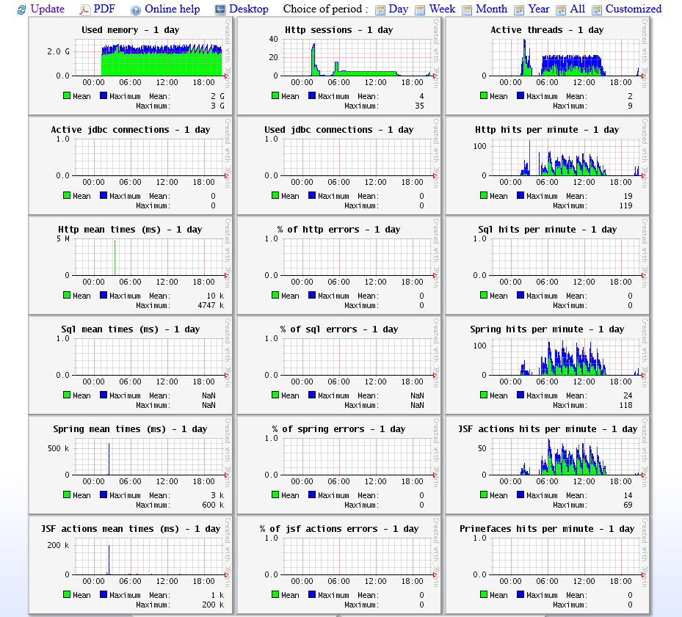
The test simulates 5 users login in zdev in 1000 seconds , then each one visites dur safety application for 10000 times. Think time is about 0.8s~1.2s, normal distribution, constant is 1s, deviation is 0.2s.

Endurance test Detail
The test simulates 5 users login in zdev in 1000 seconds , then each one visites dur safety application for 10000 times. Think time is about 0.8s~1.2s, normal distribution, constant is 1s, deviation is 0.2s.
Response Time over tme | 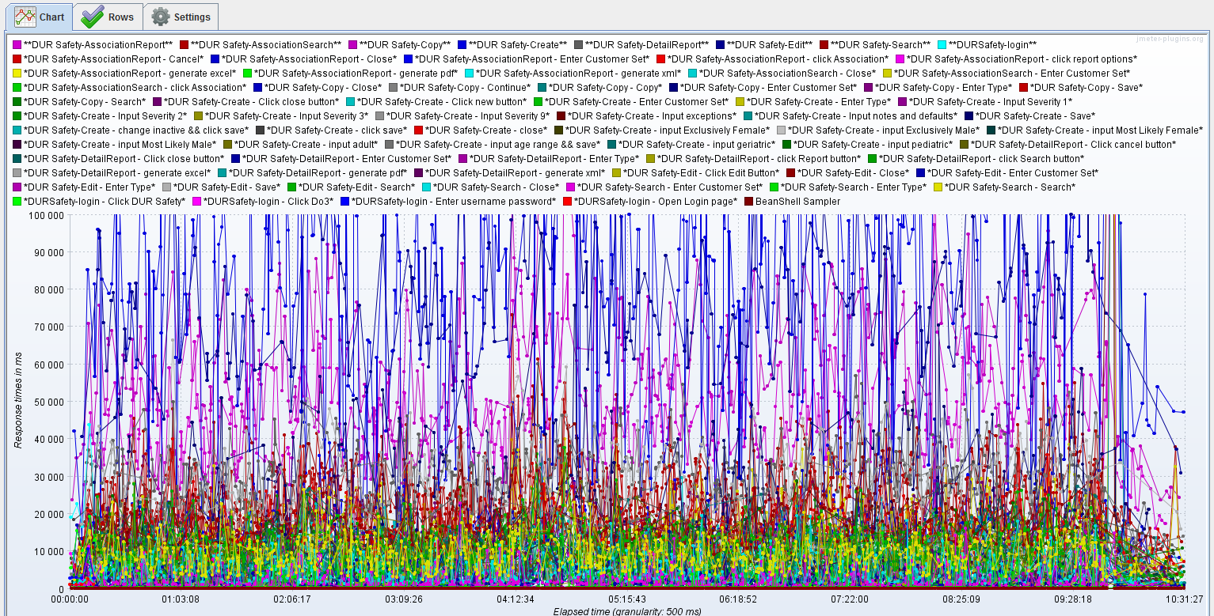 | Response time is stable over 10 hours. Detail info for each function can be provided like right. | 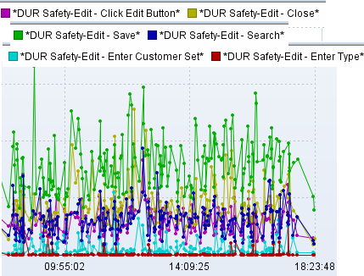
Used Memory | 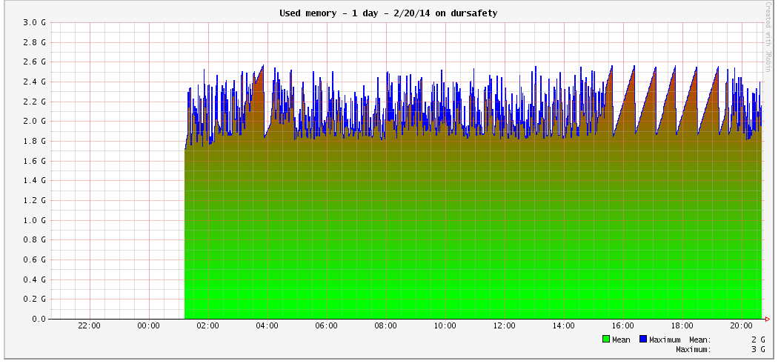 | Memory used in normal level.

